Job Details

Job Number & Name: | 35084 LB Bexley
Site Number/Name: | Site 10 - Bexley Road
Client: | Waterman
Date: | 2023-03-30

Site Plan
Advanced Transport Research |  |  | Job Number & Name: | 35084 LB Bexley
Site 10 - Bexley Road |  |  | Date: | 2023-03-30

Job Type: | Pedestrian & Vehicle Count
Co-ordinates: | 51°28'36.48"N, 0° 9'47.80"E | Postcode: | DA8 3HQ |  | Times: | 0730-0930 1430-1630

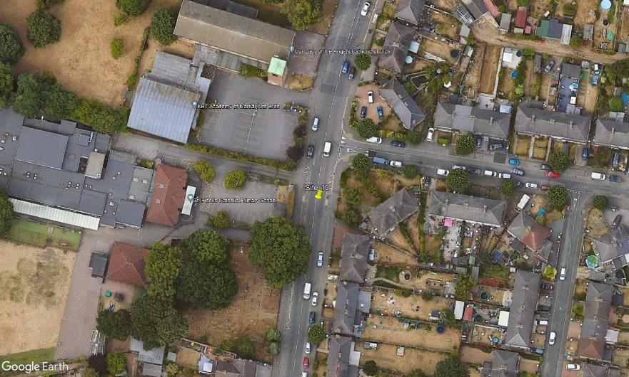
N
1
2

C

D

Ling Road

B

A
3

Bexley Road

